Exercise 2 EBITDA
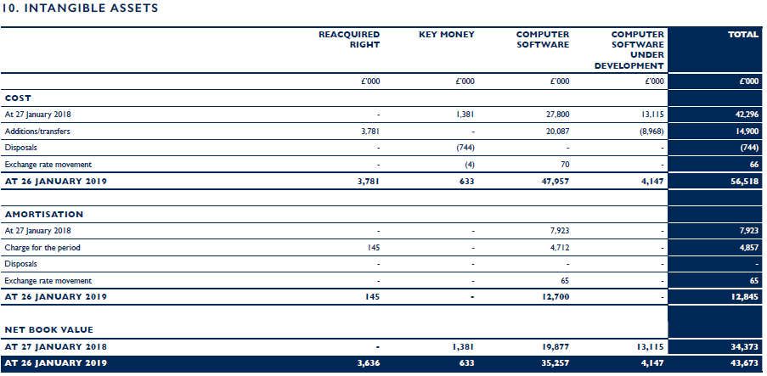
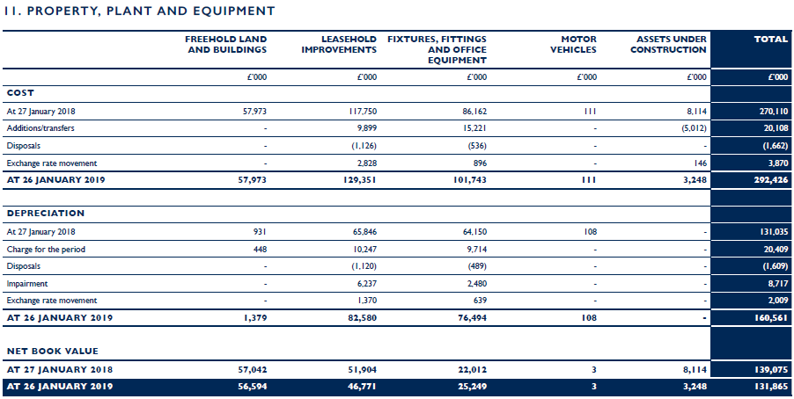
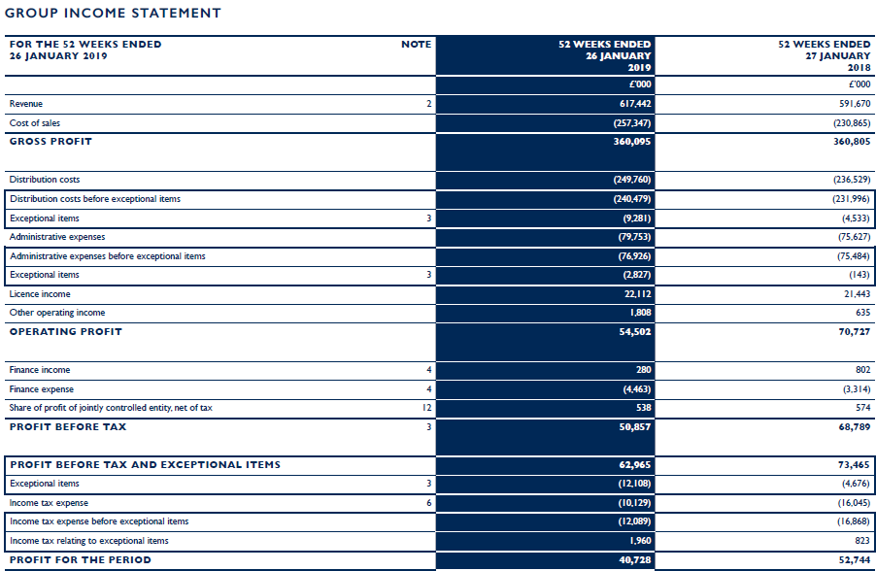
EBITDA

Tasks
Exercise 2
Calculate the EBITDA of Ted Baker Plc for FY2019.
Please fill in the values in the table below.
Relevant extracts from the financial statements are provided for your reference.

 |  | FY2019 £million | FY2018 £million
Profit for the period | [A] |  | 52.74
Add back: Tax | [B] |  | 16.05
Add back: Finance costs | [C] |  | 3.31
Deduct: Finance income | [D] | (0.30) | (0.80)
Add back: Amortisation | [E] |  | 3.40 | Note 1
Add back: Depreciation | [F] | 20.40 | 19.90 | Note 1
EBITDA | [G]= [A]+[B]+[C]+[D]+[E]+[F] |  | 94.60

Note 1:
FY2018 figures are taken from 2018 financial statements from notes Intangible Assets and Property, Plant and Equipment.
Please refer to 2019 notes below.

Exercise 3 Net Current Assets
Net Current Assets

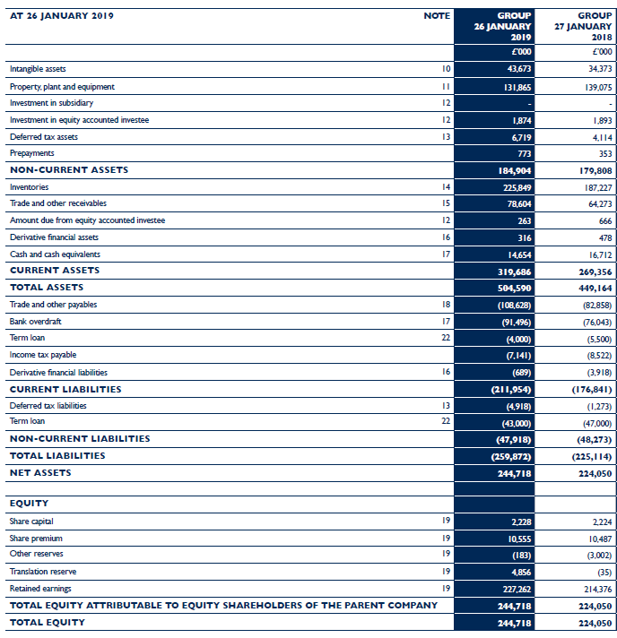
Tasks
Exercise 3
Calculate the net current assets of Ted Baker Plc at 26 January 2019.
Please fill in the values in the table below.

 |  | FY2019 £million | FY2018 £million
Non-current assets | [A] | 184.9 | 179.8
Current Assets | [B] |  | 269.3
TOTAL ASSETS | [C] = [A]+[B] | 184.9 | 449.1

Current liabilities | [D] | 212.00 | 176.80
Non-current liabilities | [E] |  | 48.20
TOTAL LIABILITIES | [F]=[D]+[E] | 212.00 | 225.00

NET CURRENT ASSETS | [G] |  | 92.5
NET ASSETS | [H]=[C]-[F] | (27.10) | 224.00

EQUITY | [I]=[H] | (27.10) | 224.00

Example 1 Cash Flow Statement
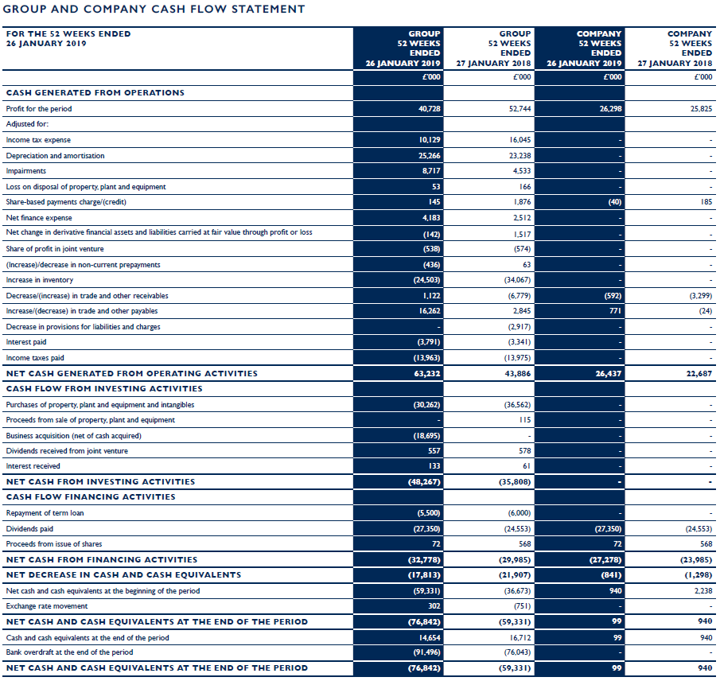
Cash Flow Statement

Tasks
Example 1
Below is an illustrative example of Cash Flow Statement for your reference.

